Wolf Leader Cover
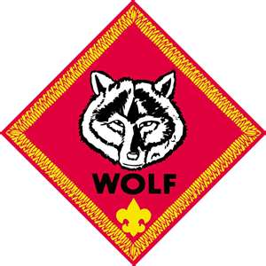
Wolf
Den Leader

